Map Vendors
AAFC Annual Leadership Conference
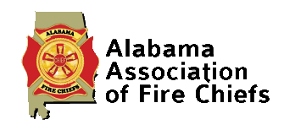
 |  | 
Booth # | Company
1 | Emergency Equipment Profesionals
2 | Emergency Equipment Profesionals
3 | Emergency Equipment Profesionals
4 | Firehousebeds.Com
5 | Stop Heart Attack
6 | Southern Emergency Rescue Vehicle
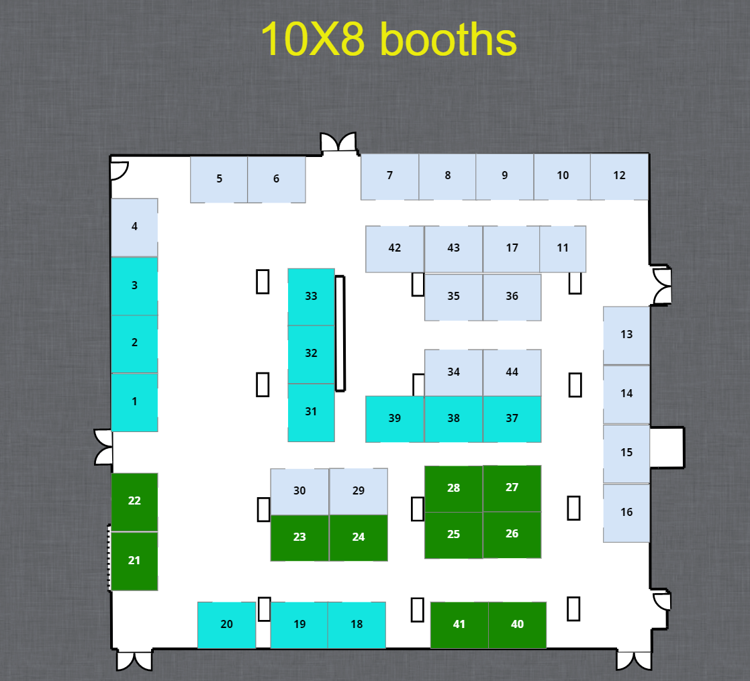
7 | Deep South Fire Trucks
8 | Zoll Medical
9 | Brigade Electronics Inc
10 | Olinde Group
11 | Millennium Risk Managers
12 | Super Vac/ Command Light
13 | S.E.M.S Fire Protection
14 | Drytech Fire & Water Services
15 | Southern Emergency Consultants
16 | Southern Linc
17 | Cardiac Solutions
18 | Sunbelt Fire
19 | Sunbelt Fire
20 | Sunbelt Fire
21 | Central Alabama Training Solutions
22 | Central Alabama Training Solutions
23 | Coastal Rescue Solutions
24 | Coastal Rescue Solutions
25 | Stryker
26 | Stryker
27 | Ferno EMS
28 | Ferno EMS
29 | SiteMed North America
30 | Columbia Southern Univeresity
31 | MES
32 | MES
33 | MES
34 | Williams Fire Apparatus
35 | Air Methods
36 | Emergency Reporting
37 | NAFECO
38 | NAFECO
39 | NAFECO
40 | FitnessZone
11

BOOTH | COMPANY
1 | Emergency Equipment Profesionals
2 | Emergency Equipment Profesionals
3 | Emergency Equipment Profesionals
4 | Firehousebeds.Com
5 | Stop Heart Attack
6 | Southern Emergency Rescue Vehicle
7 | Deep South Fire Trucks
8 | Zoll Medical
9 | Brigade Electronics Inc
10 | Olinde Group
11 | Millennium Risk Managers
12 | Super Vac/ Command Light
13 | S.E.M.S Fire Protection
14 | Drytech Fire & Water Services
15 | Southern Emergency Consultants
16 | Southern Linc
17 | Cardiac Solutions
18 | Sunbelt Fire
19 | Sunbelt Fire
20 | Sunbelt Fire
21 | Central Alabama Training Solutions
22 | Central Alabama Training Solutions
#REF! | #REF!
#REF! | #REF!
#REF! | #REF!
#REF! | #REF!
#REF! | #REF!
#REF! | #REF!
#REF! | #REF!
#REF! | #REF!
#REF! | #REF!
#REF! | #REF!
#REF! | #REF!
#REF! | #REF!
#REF! | #REF!
#REF! | #REF!
#REF! | #REF!
0 | 0
0 | 0
0 | 0
0 | 0
0 | 0
0 | 0
0 | 0
0 | 0
0 | 0
0 | 0
0 | 0
0 | 0
0 | 0
0 | 0
0 | 0
0 | 0
0 | 0
0 | 0
0 | 0
0 | 0
0 | 0
0 | 0
#REF! | #REF!
0 | 0
0 | 0
0 | 0
0 | 0
0 | 0
0 | 0
0 | 0
0 | 0
0 | 0
0 | 0
0 | 0
0 | 0
0 | 0
0 | 0

Sign Booth
1



2014

 |  | EMERGENCY EQUIPMENT PROFESIONALS
 | 1
#REF! | 1 | EMERGENCY EQUIPMENT PROFESIONALS | 0 | #REF!

 |  |  |  | #REF!
EMERGENCY EQUIPMENT PROFESIONALS

 |  |  |  | aa
 |  |  |  | 62
 |  |  |  | 47
 |  |  |  | 19
 |  |  |  | 61

Sign Tabletop
1

Conference Name
 | EMERGENCY EQUIPMENT PROFESIONALS
1
1 | EMERGENCY EQUIPMENT PROFESIONALS

EMERGENCY EQUIPMENT PROFESIONALS

Sign Door
Vendor Setup

EXHIBITIOR SETUP
2014-08-12
3:00 PM to 4:30 PM

Tuesday, August 12, 2014

3:00 PM to 4:30 PM

 | 62
 | 47
 | 19
 | 61

