Map Vendors
AAFC Annual Leadership Conference
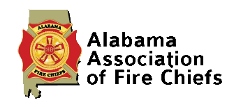 |  |  |  |  |  |  |  | 
 | Booth # | Company | Email | Elec | WiFi | Ship | Other | Notes
 | 1 | EEP
Yellow Booths are Triple Booths | 2 | EEP
Blue Booths are Double | 3 | EEP
 | 4 | Firehouse Beds
Red Booths are Single | 5 | MAC Uniforms
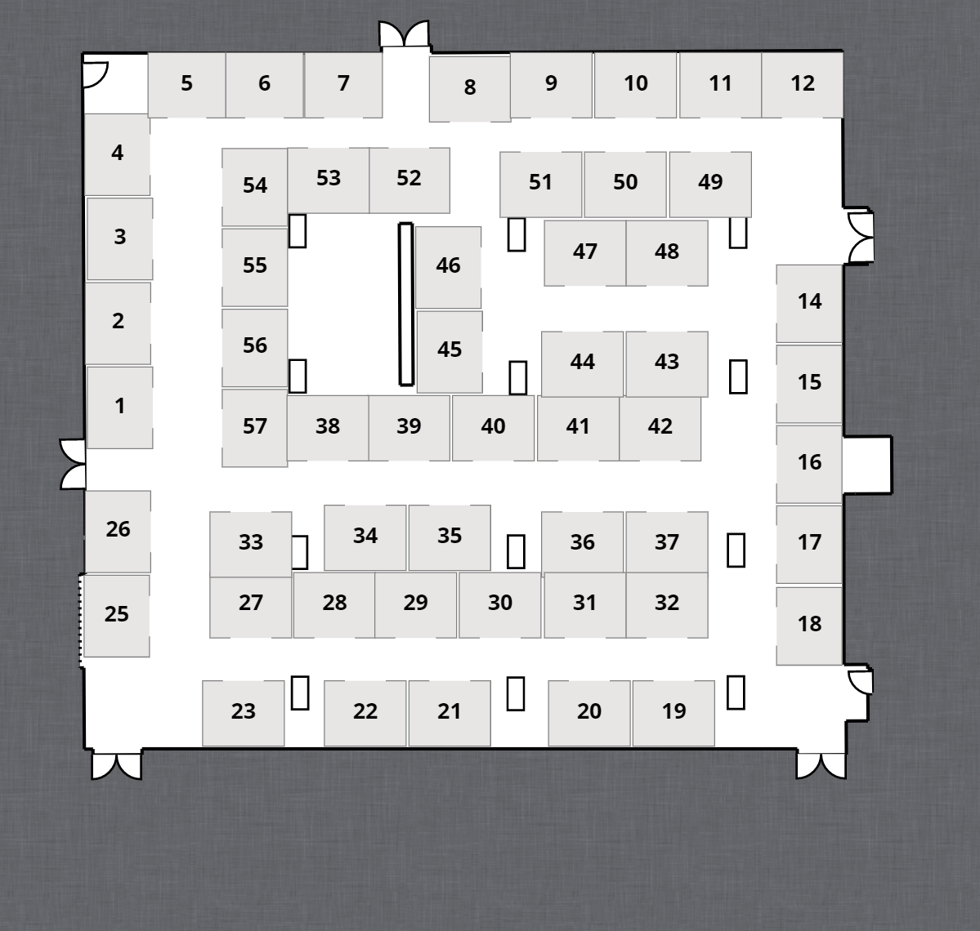
 | 6 | Belfor Property Restoration
 | 7 | First Due
 | 8 | Fuller Fire And Safety
 | 9 | National Fire Safety Council
 | 10
 | 11
 | 12
 | 13
 | 14 | Cardiac Solution/Stryker
 | 15 | Cardiac Solution/Stryker
 | 16 | Cardiac Solution/Stryker
 | 17 | Southern Linc
 | 18 | Southeast Management Services
 | 19 | Alabama First Responders
 | 20 | All-Pro Fire & Water Restoration
 | 21 | Sunbelt Fire
 | 22 | Sunbelt Fire
 | 23 | Sunbelt Fire
 | 24 | N/A
 | 25 | Williams Fire Apparatus
 | 26 | Williams Fire Apparatus
 | 27 | Ferno
 | 28 | Ferno
 | 29 | Sitemed
 | 30
 | 31 | Provident
 | 32 | Brindlee Mountain Fire Appartus
 | 33 | Columbia Southern University
 | 34 | Air Methods
 | 35 | Air Methods
 | 36 | Deep South Fire Trucks
 | 37 | Ward No Smoke Filter Systems
 | 38 | Alabama Fire College
 | 39 | NAFECO
 | 40 | NAFECO
 | 41 | NAFECO
 | 42 | Temple
 | 43 | Bento Construction
 | 44 | Prologicits
 | 45
 | 46
 | 47
 | 48
 | 49
 | 50
 | 51 | Zoll Medical
 | 52 | Coastal Rescue Solutions
 | 53 | Coastal Rescue Solutions
 | 54 | Federal Signal
 | 55 | MES
 | 56 | MES
 | 57 | MES

11

 | BOOTH | COMPANY
 | 1 | EEP
 | 2 | EEP
 | 3 | EEP
 | 4 | Firehouse Beds
 | 5 | MAC Uniforms
 | 6 | Belfor Property Restoration
 | 7 | First Due
 | 8 | Fuller Fire And Safety
 | 9 | National Fire Safety Council
 | 0 | 0
 | 0 | 0
 | 0 | 0
 | 0 | 0
 | 14 | Cardiac Solution/Stryker
 | 15 | Cardiac Solution/Stryker
 | 16 | Cardiac Solution/Stryker
 | 17 | Southern Linc
 | 18 | Southeast Management Services
 | 19 | Alabama First Responders
 | 20 | All-Pro Fire & Water Restoration
 | 21 | Sunbelt Fire
 | 22 | Sunbelt Fire
 | #REF! | #REF!
 | #REF! | #REF!
 | #REF! | #REF!
 | #REF! | #REF!
 | #REF! | #REF!
 | #REF! | #REF!
 | #REF! | #REF!
 | #REF! | #REF!
 | #REF! | #REF!
 | #REF! | #REF!
 | #REF! | #REF!
 | #REF! | #REF!
 | #REF! | #REF!
 | #REF! | #REF!
 | #REF! | #REF!
 | 0 | 0
 | 0 | 0
 | 0 | 0
 | 0 | 0
 | 0 | 0
 | 0 | 0
 | 0 | 0
 | 0 | 0
 | 0 | 0
 | 0 | 0
 | 0 | 0
 | 0 | 0
 | 0 | 0
 | 0 | 0
 | 0 | 0
 | 0 | 0
 | 0 | 0
 | 0 | 0
 | 0 | 0
 | 0 | 0
 | 0 | 0
 | 0 | 0
 | #REF! | #REF!
 | 0 | 0
 | 0 | 0
 | 0 | 0
 | 0 | 0
 | 0 | 0
 | 0 | 0
 | 0 | 0
 | 0 | 0
 | 0 | 0
 | 0 | 0
 | 0 | 0
 | 0 | 0
 | 0 | 0
 | 0 | 0

Sign Booth
57



AAFC Annual Leadership Conference

MES
 | SUNBELT FIRE
22
22 | SUNBELT FIRE | 0 | 0

 |  |  | 0

 |  |  | aa
 |  |  | 62
 |  |  | 47
 |  |  | 19
 |  |  | 61

Sign Tabletop
1

AAFC ANNUAL LEADERSHIP CONFERENCE
 | EEP
2
2 | EEP

RYAN SHINES BURN FOUNDATION

Sign Door
Vendor Setup

EXHIBITIOR SETUP
2014-08-12
3:00 PM to 4:30 PM

Tuesday, August 12, 2014

3:00 PM to 4:30 PM

 | 62
 | 47
 | 19
 | 61

